Sheet1
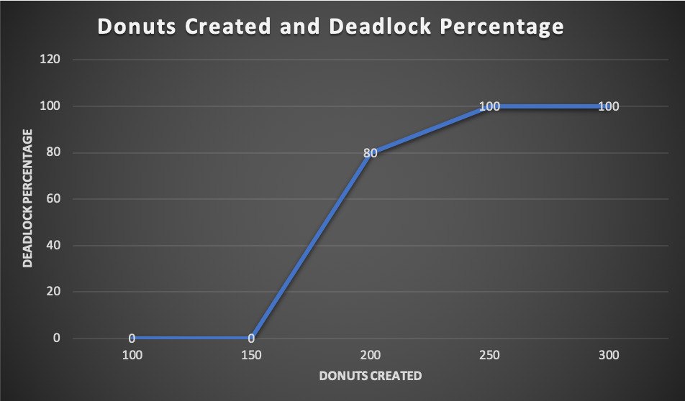

Donuts Created and Deadlock Percentage Data
Donuts Created | Deadlock Percentage
100 | 0
150 | 0
200 | 80
250 | 100
300 | 100

